BUG REPORTS
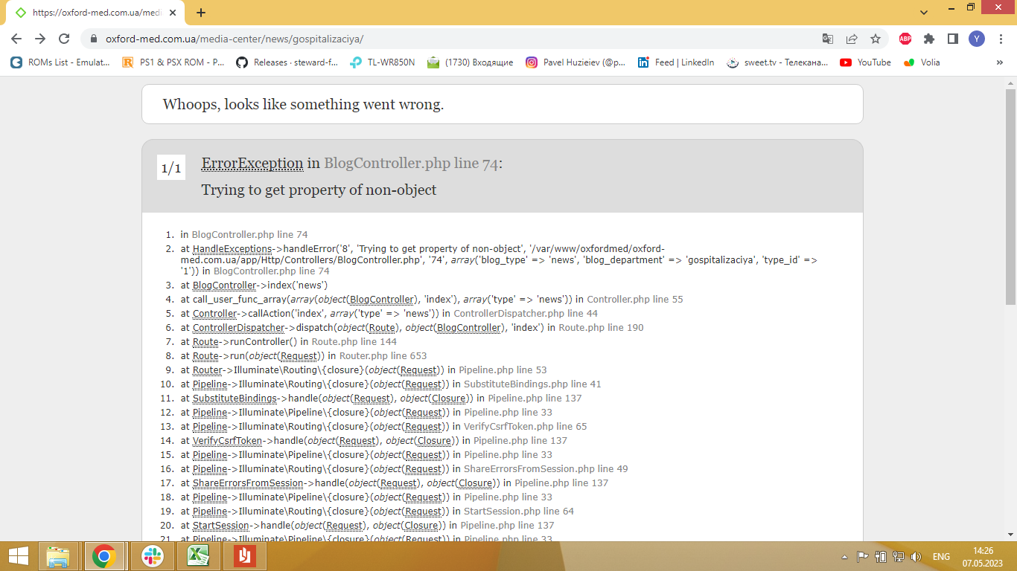
BUG REPORT: ID 12351
Summary | [ErrorException in BlogController.php line 74] has been displayed in case the user click on the [Hospitalization] link in the [All Branches] dropdown list.
Assignet to: State: | Yuliia Huzieieva New
Preconditions: The DB contains at least one recording in [Hospitalization] table. The [Kiev] city has been chosen.
Steps to Reproduce (STR)
1. Open the [Main] page.
2. Click the [Media Center] button.
3. Click the [All Branches] dropdown list in the [Media Center] page.
4. Click the [Hospitalization] link in the [All Branches] dropdown list.
Expected Result
The [Hospitalization] page has been loaded.
Actual Result
[ErrorException in BlogController.php line 74] has been displayed in case the user click on the [Hospitalization] link in the [All Branches] Dropdown list. |  | * не варто писати назви кнопок в квадратних дужках, такі дужки застосовуються для таблиць в базах даних. По багі, там у мене коли розкладка англійська, то ця опція "Госпіталізація" також єдина не перекладена.
Severity: Blocker | Priority: 2
Testing was performed in Chrome and Explorer browsers, the bug is displayed in the same way in both cases. |  | +

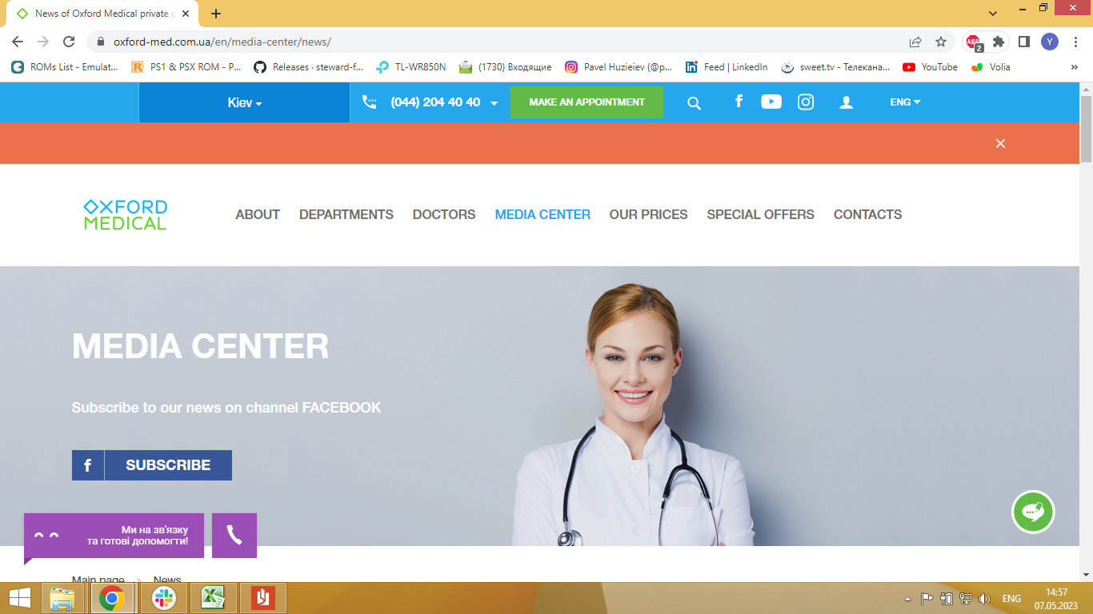
BUG REPORT: ID 12352
Summary | The [Chatbot] pop-up window is not localized in case the user has been changed the language on EN.
Assignet to: State: | Yuliia Huzieieva New
Preconditions: The DB contains at least three recording in [All languges] table.
Steps to Reproduce (STR)
1. Open the [Main] page.
2. Click the [All languages] drop-down list on the header of the [Main] page.
3. Click the [En] link in the [All languges] dropdown list.
Expected Result
The [Chatbot] pop-up window is localized in case the user has been chosen [EN] language.
Actual Result
The [Chatbot] pop-up window is not localized and text is displayed in ukrainian when the user has been chosen [EN] language.
Severity: Major | Priority: 3
Testing was performed in Chrome and Explorer browsers. The [Chatbot] pop-up window is not displayed in the Explorer browser. |  | + можна просто не перекладений, замість не локалізований

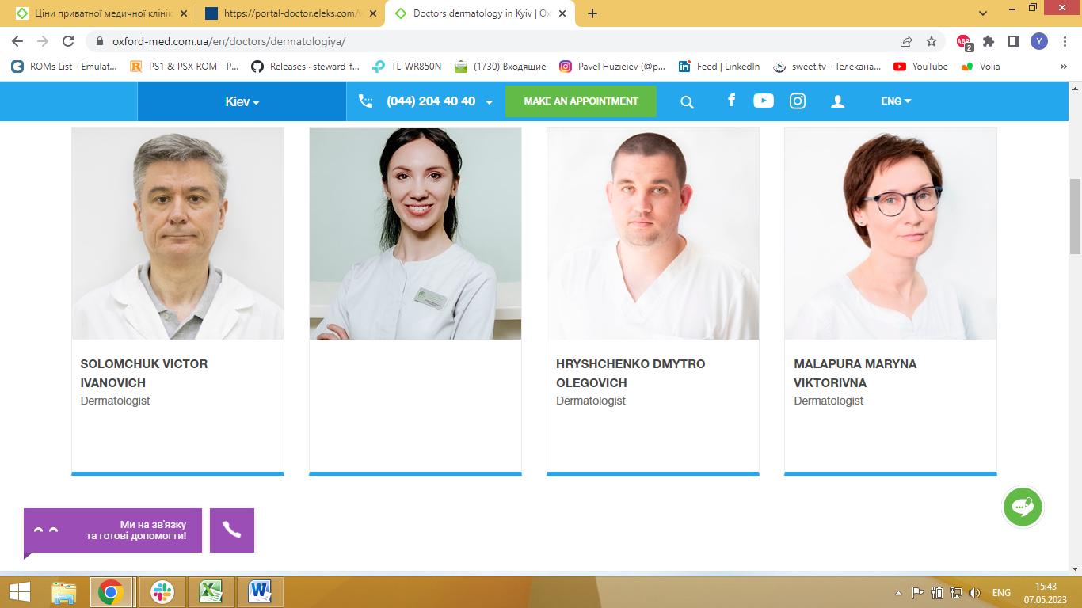
BUG REPORT: ID 12353
Summary | Information about [ТИМЧЕНКО ДАРИНА СЕРГІЇВНА] (ua localization) on the [DOCTORS] page is not displayed if the user uses the English language.
Assignet to: State: | Yuliia Huzieieva New
Preconditions: The [En] Language has been chosen. The [Kiev] city has been chosen. The DB contains at least three recordings in [Dermatology in Kyiv] table.
Steps to Reproduce (STR)
1. Open the [Main] page.
2. Click the [Doctors] link on the [Main] page.
3. Click the [All] dropdown list on the [Doctors] page.
4. Click the [Dermatology] link in the [All] dropdown list.
Expected Result
The informations abut [ТИМЧЕНКО ДАРИНА СЕРГІЇВНА] (UA localization) on the [Dermatology] page is localized in EN. |  | * тут, мабуть, одруківка, мало би бути що інформації немає
Actual Result
Information about [ТИМЧЕНКО ДАРИНА СЕРГІЇВНА] (UA localization) on the [Dermatology] page is not displayed if the user uses the English language.
Severity: Critical | Priority: 1 | *Серйозність тут низька
Testing was performed in Chrome and Explorer browsers, the bug is displayed in the same way in both cases. |  | +

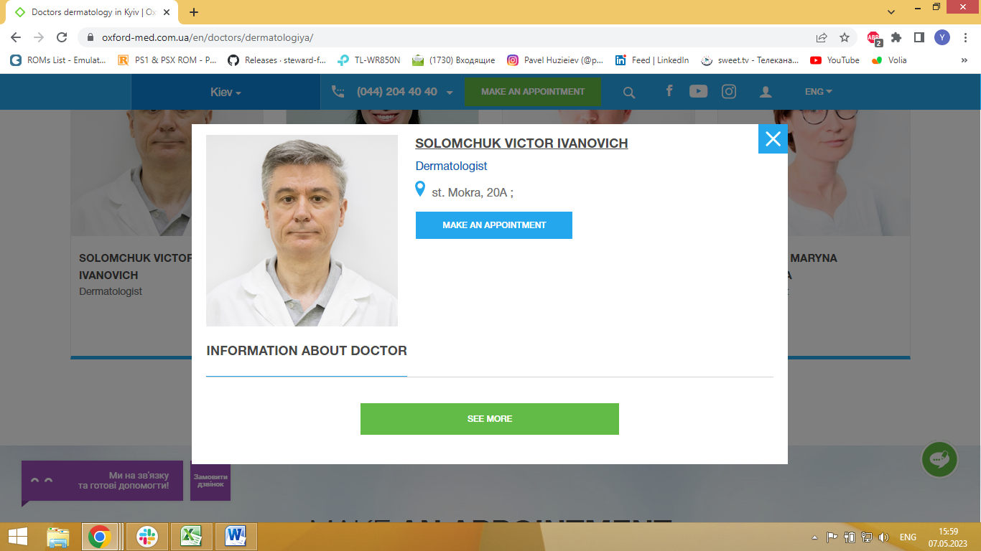
BUG REPORT: ID 12354
Summary | The information about doctor isn't displayed in [SOLOMCHUK VICTOR IVANOVICH] pop-up window in case the user uses the English language.
Assignet to: State: | Yuliia Huzieieva New
Preconditions: The [En] Language has been chosen. The [Kiev] city has been chosen. The DB contains at least three recordings in [Dermatology in Kyiv] table.
Steps to Reproduce (STR)
1. Open the [Main] page.
2. Click the [Doctors] link on the [Main] page.
3. Click the [All] dropdown list on the [Doctods] page.
4. Click the [Dermatology] link in the [All] dropdown list.
4. Click on [SOLOMCHUK VICTOR IVANOVICH] link on the [Doctods] page.
Expected Result
The [SOLOMCHUK VICTOR IVANOVICH] pop-up window has been opened and consist information about doctor in English.
Actual Result
The information about doctor isn't displayed in [SOLOMCHUK VICTOR IVANOVICH] pop-up window in case the user uses the English language.
Severity: Major | Priority: 2
Testing was performed in Chrome and Explorer browsers, the bug is displayed in the same way in both cases. |  | + там про всіх не відображається мабуть, я перевірила на декількох

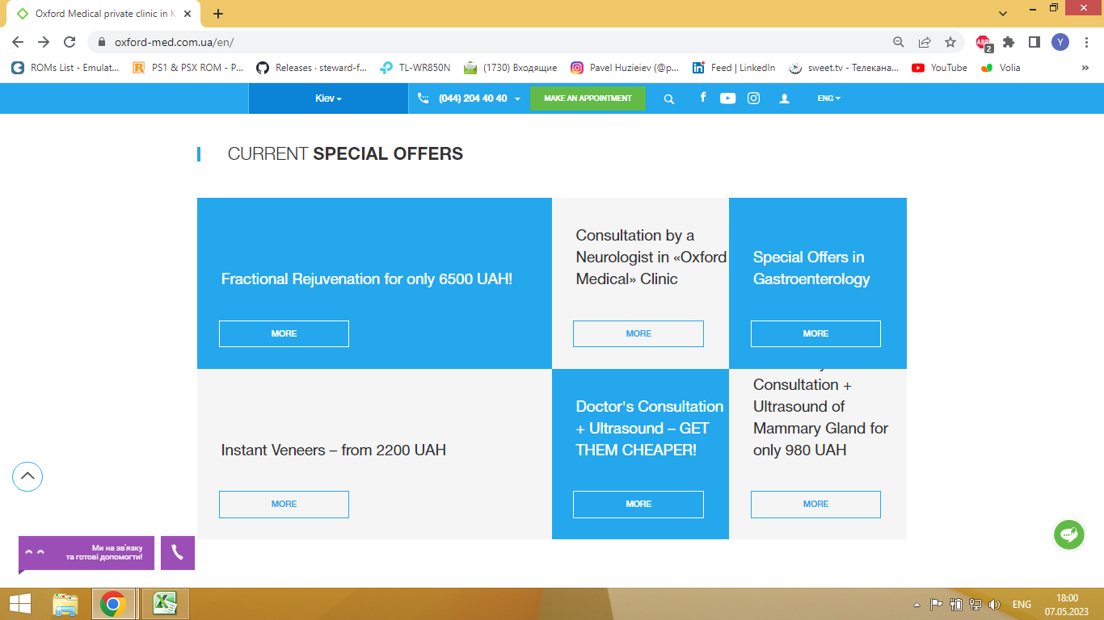
BUG REPORT: ID 12355
Summary | Aligment of [BREAST PHYSICIAN CONSULTATION + ULTRASOUND OF MAMMARY GLAND FOR ONLY 980 UAH] text in [CURRENT SPECIAL OFFERS] section on the [Main] page is not displayed correct.
Assignet to: State: | Yuliia Huzieieva New
Preconditions: The [En] Language has been chosen. The [Kiev] city has been chosen.
Steps to Reproduce (STR)
1. Open the [Main] page.
2. Scroll down to the [CURRENT SPECIAL OFFERS] part of the [Main] page.
Expected Result
[BREAST PHYSICIAN CONSULTATION + ULTRASOUND OF MAMMARY GLAND FOR ONLY 980 UAH] text is displayed in [CURRENT SPECIAL OFFERS] section on the [Main] page.
Actual Result
Aligment of [BREAST PHYSICIAN CONSULTATION + ULTRASOUND OF MAMMARY GLAND FOR ONLY 980 UAH] text in [CURRENT SPECIAL OFFERS] section on the [Main] page is not displayed correct. Text has not been fully displayed.
Severity: Major | Priority: 3
Testing was performed in Chrome and Explorer browsers, the bug is displayed in the same way in both cases. |  | +

